Dashboard
S/ 7,305,939.03
S/ 3,208,213.91
S/ 4,097,725.11
REPORTE DE VENTAS

Ventas Totales
Costos Totales
Ganancias Totales

Ultimos 4 años de ventas de productos tecnologicos
Top 10 ventas por subcategoria
 | Total
Washers & Dryers | $256,932.20
Monitors | $289,928.84
Water Heaters | $417,009.22
Movie DVD | $458,904.97
Laptops | $557,726.61
Touch Screen Phones | $578,821.02
Projectors & Screens | $609,311.59
Smart phones & PDAs | $621,242.08
Televisions | $671,587.41
Desktops | $1,149,177.30
Ventas por mes
 | Total
May | $50,023.47
Jun | $93,672.01
Jul | $95,688.60
Ago | $104,475.94
Set | $139,879.33
Oct | $187,752.06
Nov | $158,599.84
Dic | $302,233.91
Ene | $250,228.34
Feb | $412,481.85
Mar | $161,094.72
Abr | $70,019.42
May | $370,939.74
Jun | $294,883.30
Jul | $225,426.96
Ago | $298,641.01
Set | $252,692.67
Oct | $302,714.82
Nov | $246,179.28
Dic | $348,026.80
Ene | $293,768.23
Feb | $415,489.47
Mar | $105,752.82
Abr | $52,300.24
May | $184,588.70
Jun | $233,825.58
Jul | $153,363.29
Ago | $131,936.85
Set | $185,233.62
Oct | $209,761.83
Nov | $234,588.94
Dic | $213,446.32
Ene | $162,335.81
Feb | $267,975.75
Mar | $81,284.59
Abr | $14,632.93

Dashboard

Datos

Analisis

Margen de Ganancia
 | Total
May | 54%
Jun | 52%
Jul | 51%
Ago | 53%
Set | 52%
Oct | 52%
Nov | 52%
Dic | 52%
Ene | 52%
Feb | 51%
Mar | 52%
Abr | 51%
May | 53%
Jun | 52%
Jul | 52%
Ago | 52%
Set | 52%
Oct | 52%
Nov | 52%
Dic | 52%
Ene | 52%
Feb | 52%
Mar | 51%
Abr | 51%
May | 52%
Jun | 52%
Jul | 52%
Ago | 53%
Set | 52%
Oct | 53%
Nov | 52%
Dic | 52%
Ene | 52%
Feb | 53%
Mar | 52%
Abr | 52%

Analisis
Ventas totales
Suma de Ventas Totales
$7,305,939.03 | S/ 7,305,939.03

Costos totales
Suma de Costos Totales
$3,208,213.91 | S/ 3,208,213.91

Ganancia totales
Suma de Ganancia
$4,097,725.11 | S/ 4,097,725.11

Ventas por mes
Etiquetas de fila | Suma de Ventas Totales
2021 | $1,132,325.16
May | $50,023.47
Jun | $93,672.01
Jul | $95,688.60
Ago | $104,475.94
Set | $139,879.33
Oct | $187,752.06
Nov | $158,599.84
Dic | $302,233.91
2022 | $3,233,328.91
Ene | $250,228.34
Feb | $412,481.85
Mar | $161,094.72
Abr | $70,019.42
May | $370,939.74
Jun | $294,883.30
Jul | $225,426.96
Ago | $298,641.01
Set | $252,692.67
Oct | $302,714.82
Nov | $246,179.28
Dic | $348,026.80
2023 | $2,414,055.89
Ene | $293,768.23
Feb | $415,489.47
Mar | $105,752.82
Abr | $52,300.24
May | $184,588.70
Jun | $233,825.58
Jul | $153,363.29
Ago | $131,936.85
Set | $185,233.62
Oct | $209,761.83
Nov | $234,588.94
Dic | $213,446.32
2024 | $526,229.07
Ene | $162,335.81
Feb | $267,975.75
Mar | $81,284.59
Abr | $14,632.93
Total general | $7,305,939.03

Top 10 ventas por subcategoria
Etiquetas de fila | Suma de Ventas Totales
Washers & Dryers | $256,932.20
Monitors | $289,928.84
Water Heaters | $417,009.22
Movie DVD | $458,904.97
Laptops | $557,726.61
Touch Screen Phones | $578,821.02
Projectors & Screens | $609,311.59
Smart phones & PDAs | $621,242.08
Televisions | $671,587.41
Desktops | $1,149,177.30
Total general | $5,610,641.24

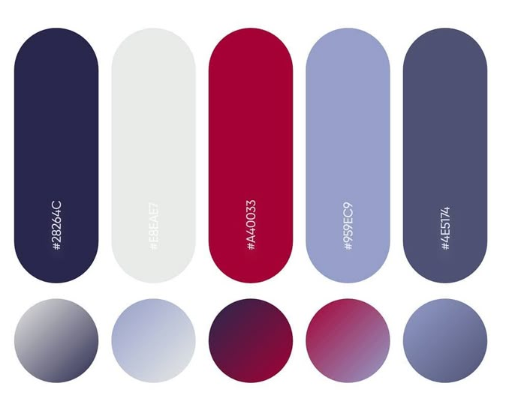
Margen de Ganancia
Etiquetas de fila | Promedio de Margen de Ganancia
2021 | 52%
May | 54%
Jun | 52%
Jul | 51%
Ago | 53%
Set | 52%
Oct | 52%
Nov | 52%
Dic | 52%
2022 | 52%
Ene | 52%
Feb | 51%
Mar | 52%
Abr | 51%
May | 53%
Jun | 52%
Jul | 52%
Ago | 52%
Set | 52%
Oct | 52%
Nov | 52%
Dic | 52%
2023 | 52%
Ene | 52%
Feb | 52%
Mar | 51%
Abr | 51%
May | 52%
Jun | 52%
Jul | 52%
Ago | 53%
Set | 52%
Oct | 53%
Nov | 52%
Dic | 52%
2024 | 52%
Ene | 52%
Feb | 53%
Mar | 52%
Abr | 52%
Total general | 52%

